Assessment briefing
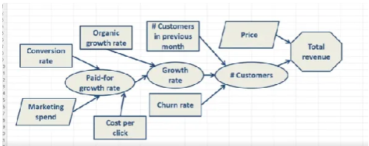
Exercise 1:
Framing the problem

Background:
Gary Bonaventura has launched a web startup called 'TimeCop' which monitors the amount of time that users spend on various software applications. Gary sells the service for $20 per user per month and advertises only on Google Adwords using a Pay-Per-Click service.
Gary's near-term target is to reach $200,000 in monthly revenue by the end of the year. However he has yet to build a model for his business that could help him devise a pricing strategy and marketing budget to reach this target. He has asked your help in constructing an influence diagram to help him in this task.

Question:
Build a simple influence diagram that will calculate revenue, for a typical month at TimeCop.

